Cover
FINANCIAL MODEL OF COLGATE-PALMOLIVE

Company name |  | COLGATE-PALMOLIVE CO
Ticker |  | CL
Stock Exchange |  | NYSE
Headquater |  | NEW YORK
Share price as of last close |  | $ 72.91
Latest closing share price date |  | 2022-09-28
Latest fiscal year end date |  | 2021-12-31

BUSINESS SUMMARY
 |  | Colgate-Palmolive Company is one of the worldwide leaders in the manufacturing and marketing of cleaning and hygiene products. The group also products and sells pet food (dogs and cats). Net sales break down by family of products as follows:

- hygiene and cleaning products (81%): oral hygiene (toothpaste, toothbrushes, mouthwashes, etc.; Colgate brand), body care (soaps, shower gels, shampoos, conditioners, deodorants, shaving products, etc.; Palmolive, Speed Stick, Softsoap, etc.), household care, and linen care (dishwashing liquids, detergents, stain removers, fabric softeners, bleach, etc.; Palmolive, Ajax, Soupline, Suavitel, etc.). Net sales are distributed geographically as follows: North America (26.2%), Latin America (26%), Asia-Pacific (20.3%), Europe (20.1%), Africa and Eurasia (7.4%) ;

- cat and dog foods (19%; Hill's): world leader.

Number of employees : 33,800 people.

SALES PER BUSINESS
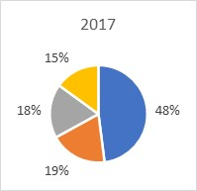 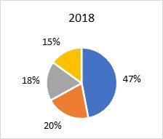 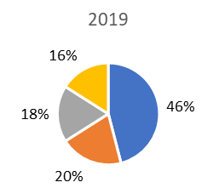 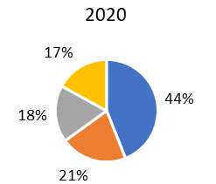 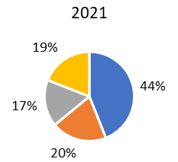

 | Oral Care
 | Personal Care
 | Home Care
 | Pet Nutrition

LEGENDS: |  | SOURCES: | PREPARED BY | APARNA BIRLE
1.A for Actual |  | 1. Colgate Palmolive | DATE | 2023-01-09
2.Green for links |  | 2. MarketScreener | EMAIL ID | birle822aparna@gmail.com
3.Blue for historical data |  | 3. Yahoo Finance
4.Black for calculations |  | a) S&P 500
 |  | b) CL

Index
INDEX

BUSINESS MODEL
FINANCIAL SUMMARY

KEY FINANCIAL RATIOS
DCF VALUATION

CONSOLIDATED STATEMENTS OF INCOME
BETA

CONSOLIDATED STATEMENTS OF CASH FLOWS
CONSOLIDATED BALANCE SHEETS

REVENUE DRIVERS
ASSUMPTIONS

DEBT SCHEDULE
PPE SCHEDULE

INTANGIBLES SCHEDULE
WORKING CAPITAL SCHEDULE

EQUITY SCHEDULE
CHARTS

PEERS COMPARISON

Business Model
BUSINESS MODEL OF FMCG

<<<Back to Index
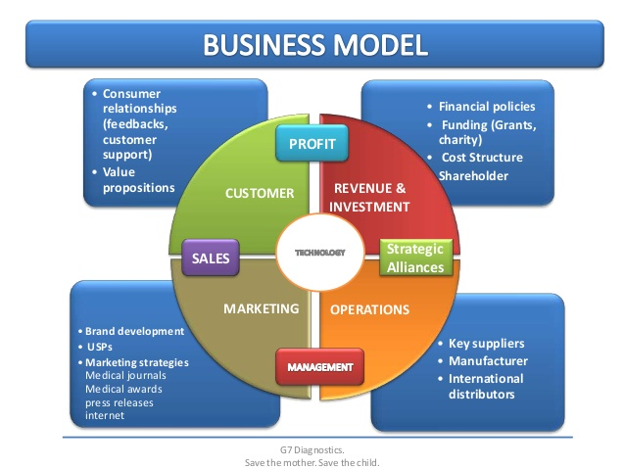

INDUSTRY ANALYSIS

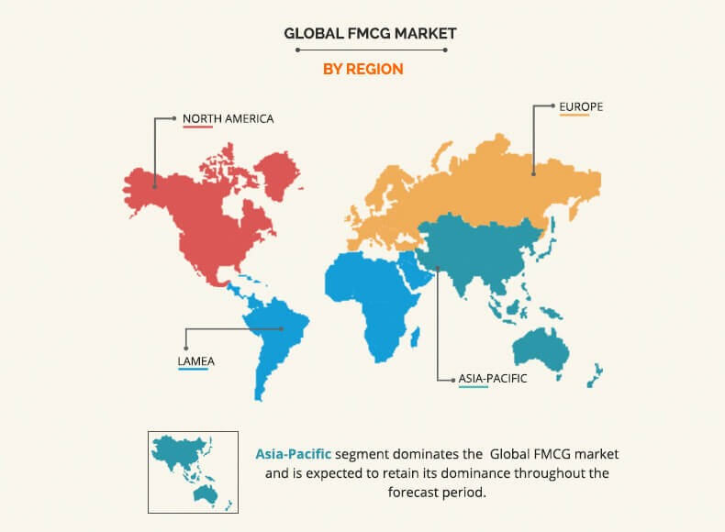

STOCK PRICE HISTORY OF COLGATE-PALMOLIVE

-The latest closing stock price for Colgate-Palmolive as of November 07, 2022 is 73.50.
-The all-time high Colgate-Palmolive stock closing price was 83.32 on December 31, 2021.
-The Colgate-Palmolive 52-week high stock price is 85.61, which is 16.5% above the current share price.
-The Colgate-Palmolive 52-week low stock price is 67.84, which is 7.7% below the current share price.
-The average Colgate-Palmolive stock price for the last 52 weeks is 78.05.

 | FROM 01/01/2017 TO 07/11/2022

Revenue Drivers
REVENUE DRIVERS
For the years ended December 31,
(Dollars in Millions Except Shares and Per Share Amounts)
<<<Back to Index
YEARS |  | FY2017A | FY2018A | FY2019A | FY2020A | FY2021A | FY2022P | FY2023P | FY2024P | FY2025P | FY2026P

NET SALES
Oral, Personal and Home Care
North America |  | 3,117.0 | 3,348.0 | 3,424.0 | 3,741.0 | 3,694.0 | 3,841.8 | 3,995.4 | 4,155.2 | 4,321.5 | 4,494.3
YoY Growth % |  | (2.1%) | 7.4% | 2.3% | 9.3% | (1.3%) | 4.0% | 4.0% | 4.0% | 4.0% | 4.0%

Latin America |  | 3,887.0 | 3,605.0 | 3,606.0 | 3,418.0 | 3,663.0 | 3,846.2 | 4,038.5 | 4,240.4 | 4,452.4 | 4,675.0
YoY Growth % |  | 6.5% | (7.3%) | 0.0% | (5.2%) | 7.2% | 5.0% | 5.0% | 5.0% | 5.0% | 5.0%

Europe |  | 2,394.0 | 2,502.0 | 2,450.0 | 2,747.0 | 2,841.0 | 2,926.2 | 3,014.0 | 3,104.4 | 3,197.6 | 3,293.5
YoY Growth % |  | 2.2% | 4.5% | (2.1%) | 12.1% | 3.4% | 3.0% | 3.0% | 3.0% | 3.0% | 3.0%

Asia Pacific |  | 2,781.0 | 2,734.0 | 2,707.0 | 2,701.0 | 2,867.0 | 2,953.0 | 3,041.6 | 3,132.8 | 3,226.8 | 3,323.6
YoY Growth % |  | (0.5%) | (1.7%) | (1.0%) | (0.2%) | 6.1% | 3.0% | 3.0% | 3.0% | 3.0% | 3.0%

Africa/Eurasia |  | 983.0 | 967.0 | 981.0 | 981.0 | 1,045.0 | 1,076.4 | 1,108.6 | 1,141.9 | 1,176.2 | 1,211.4
YoY Growth % |  | 2.4% | (1.6%) | 1.4% | 0.0% | 6.5% | 3.0% | 3.0% | 3.0% | 3.0% | 3.0%

Total Oral, Personal and Home Care |  | 13,162.0 | 13,156.0 | 13,168.0 | 13,588.0 | 14,110.0 | 14,643.5 | 15,198.1 | 15,774.8 | 16,374.4 | 16,997.9

Pet Nutrition |  | 2,292.0 | 2,388.0 | 2,525.0 | 2,883.0 | 3,311.0 | 3,774.5 | 4,303.0 | 4,905.4 | 5,592.1 | 6,375.0
YoY Growth % |  | 1.2% | 4.2% | 5.7% | 14.2% | 14.8% | 14.0% | 14.0% | 14.0% | 14.0% | 14.0%

Total Net sales |  | 15,454.0 | 15,544.0 | 15,693.0 | 16,471.0 | 17,421.0 | 18,418.0 | 19,501.1 | 20,680.2 | 21,966.6 | 23,373.0
YoY Growth % |  | 1.7% | 0.6% | 1.0% | 5.0% | 5.8% | 5.7% | 5.9% | 6.0% | 6.2% | 6.4%

NET SALES BY GEOGRAPHIC REGION |  |  |  |  | NET SALES BY MARKET MATURITY
2019
2020
2017
 | 3,117.0
 | 3,887.0
 | 2,394.0
 | 2,781.0
 | 983.0
 | 2,292.0
2018
 | 3,348.0
 | 3,605.0
 | 2,502.0
 | 2,734.0
 | 967.0
 | 2,388.0
2019
 | 3,424.0
 | 3,606.0
 | 2,450.0
 | 2,707.0
 | 981.0
 | 2,525.0
2020
 | 3,741.0
 | 3,418.0
 | 2,747.0
 | 2,701.0
 | 981.0
 | 2,883.0
2021
 | 3,694.0
 | 3,663.0
 | 2,841.0
 | 2,867.0
 | 1,045.0
 | 3,311.0
2017
2018
2019

2020
2020
2021
2022
 | 3,841.8
 | 3,846.2
 | 2,926.2
 | 2,953.0
 | 1,076.4
 | 3,774.5
2023
 | 3,995.4
 | 4,038.5
 | 3,014.0
 | 3,041.6
 | 1,108.6
 | 4,303.0
2024
 | 4,155.2
 | 4,240.4
 | 3,104.4
 | 3,132.8
 | 1,141.9
 | 4,905.4
2025
 | 4,321.5
 | 4,452.4
 | 3,197.6
 | 3,226.8
 | 1,176.2
 | 5,592.1
2026
 | 4,494.3
 | 4,675.0
 | 3,293.5
 | 3,323.6
 | 1,211.4
 | 6,375.0
 |  |  |  |  |  |  |  |  |  | 50.0% | 52%
 |  |  |  |  |  |  |  |  |  | 50.0% | 48%

 |  |  |  |  |  |  |  |  |  | 56% | 55%
 |  |  |  |  |  |  |  |  |  | 44% | 45%

North America | Asia Pacific |  |  |  | Developed Markets
Latin America | Africa/Eurasia |  |  |  | Emerging Markets (which consist of Latin America, Asia (excluding Japan),
Europe | Hill’s Pet Nutrition |  |  |  | Africa/Eurasia and Central Europe)

Charts
CHARTS
<<<Back to Index
CONSOLIDATED STATEMENTS OF INCOME |  | EPS
 | Revenue | EBIT | Net Profit After Tax
2017 | 15,454.0 | 3,707.0 | 2,024.0
2018 | 15,544.0 | 3,694.0 | 2,400.0
2019 | 15,693.0 | 3,554.0 | 2,367.0
2020 | 16,471.0 | 3,885.0 | 2,695.0
2021 | 17,421.0 | 3,332.0 | 2,166.0
2022 | 18,418.0 | 2,566.6 | 1,637.9
2023 | 19,501.1 | 3,010.1 | 1,947.0
2024 | 20,680.2 | 3,502.3 | 2,293.4
2025 | 21,966.6 | 4,049.6 | 2,674.1
2026 | 23,373.0 | 4,659.5 | 3,094.7
 | Basic EPS | Diluted EPS
2017 | 2.3 | 2.3
2018 | 2.8 | 2.7
2019 | 2.8 | 2.7
2020 | 3.1 | 3.1
2021 | 2.6 | 2.6
2022 | 2.0 | 1.9
2023 | 2.3 | 2.3
2024 | 2.8 | 2.8
2025 | 3.3 | 3.3
2026 | 3.9 | 3.8

CONSOLIDATED STATEMENTS OF CASH FLOWS
 | Operating | Investing | Financing | Net Cash | Closing Cash
2017 | 3,054.0 | (471.0) | (2,450.0) | 220.0 | 1,535.0
2018 | 3,056.0 | (1,170.0) | (2,679.0) | (809.0) | 726.0
2019 | 3,133.0 | (2,099.0) | (870.0) | 157.0 | 883.0
2020 | 3,719.0 | (779.0) | (2,919.0) | 5.0 | 888.0
2021 | 3,325.0 | (592.0) | (2,774.0) | (56.0) | 832.0
2022 | 2,684.1 | (1,289.3) | (1,194.9) | 200.0 | 1,032.0
2023 | 3,027.5 | (1,365.1) | (1,462.4) | 200.0 | 1,232.0
2024 | 3,466.4 | (1,447.6) | (1,818.8) | 200.0 | 1,432.0
2025 | 3,946.0 | (1,537.7) | (2,208.3) | 200.0 | 1,632.0
2026 | 4,472.8 | (1,636.1) | (2,636.7) | 200.0 | 1,832.0

LIQUIDITY AND PROFITABILITY ANALYSIS

LIQUIDITY RATIO | PROFITABILITY RATIO
 | Current Ratio | Quick Ratio
2017 | 1.4 | 1.0
2018 | 1.1 | 0.8
2019 | 1.0 | 0.7
2020 | 1.0 | 0.6
2021 | 1.1 | 0.7
2022 | 0.9 | 0.5
2023 | 1.0 | 0.6
2024 | 1.2 | 0.7
2025 | 1.1 | 0.7
2026 | 1.1 | 0.7
 | Gross Profit Margin | Operating Margin | Net Profit Margin
2017 | 60.0% | 24.0% | 13.1%
2018 | 59.4% | 23.8% | 15.4%
2019 | 59.4% | 22.6% | 15.1%
2020 | 60.8% | 23.6% | 16.4%
2021 | 59.6% | 19.1% | 12.4%
2022 | 50.0% | 13.9% | 8.9%
2023 | 51.0% | 15.4% | 10.0%
2024 | 52.0% | 16.9% | 11.1%
2025 | 53.0% | 18.4% | 12.2%
2026 | 54.0% | 19.9% | 13.2%

